InsCap2017
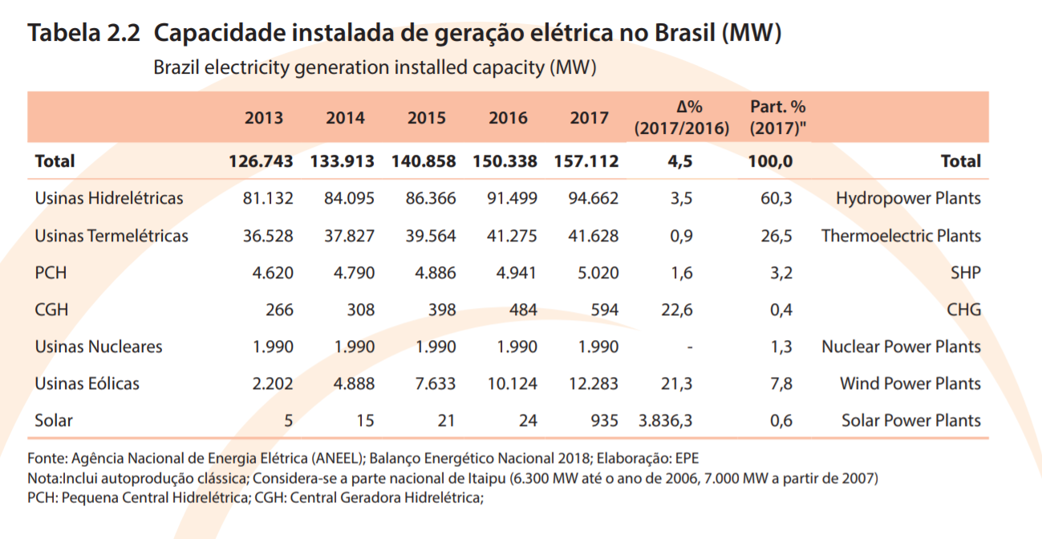
 | Installed Cap 2017 (MW)
Hydro | 100,276 | 91650
Natural Gas | 13,076 | 12428 | 0.31412395107
Biomass | 13,949 | 13257 | 0.33507734304
Oil | 9,177 | 8722 | 0.22045293701
of which Fuel Oil | 4,357 | 4141
Coal | 3,567 | 3390 | 0.085683955111
Nuclear | 1,990 | 1990
Industrial Gas | 1,776 | 1688 | 0.042665049034
Wind | 12,283 | 7633
Biogas | 83 | 79 | 0.0019967647356
Solar PV | 935 | 21
Solar Thermal | 0 | 0
Geothermal | 0 | 0
Offshore Wind | 0 | 0

InsCap2015
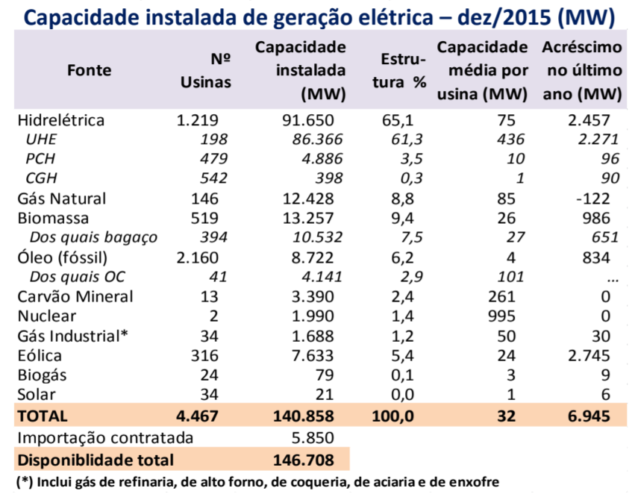
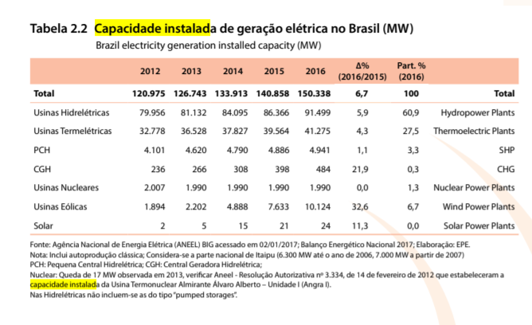
 | Installed Cap 2015 (MW)
Hydro | 91,650
Natural Gas | 12,428
Biomass | 13,257
Oil | 8,722
of which Fuel Oil | 4,141
Coal | 3,390
Nuclear | 1,990
Industrial Gas | 1,688
Wind | 7,633
Biogas | 79
Solar PV | 21
Solar Thermal | 0
Geothermal | 0
Offshore Wind | 0

